VERSACE 19V69 BAGS
VERSACE 19V69 BAGS
PHOTOS | REF | NAME | COL | COLOR | SIZE | QTY | RETAIL | RETAIL
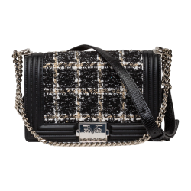 | V69WBAG48 | Mila | 901 | Black | OS | 75 | 179.99 € | 13,499.25 €
 | V69WBAG51 | Jonna Silver | 650 | Navy | OS | 99 | 159.99 € | 15,839.01 €
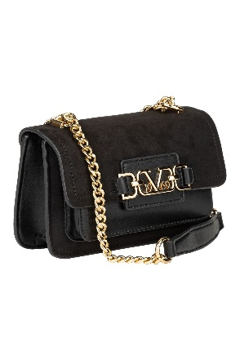 | V69WBAG51G | Jonna Gold | 500 | Green | OS | 17 | 159.99 € | 2,719.83 €
 |  |  | 901 | Black |  | 92 | 159.99 € | 14,719.08 €
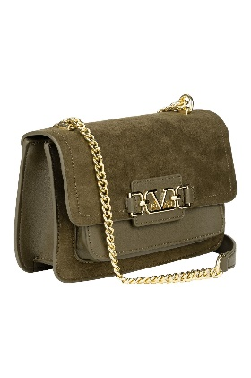 | V69WBAG51L | Jonna Large Silver | 650 | Navy | OS | 36 | 179.99 € | 6,479.64 €
 |  |  | 500 | Green |  | 41 | 179.99 € | 7,379.59 €
 |  |  | 901 | Black |  | 53 | 179.99 € | 9,539.47 €
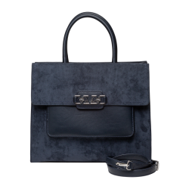 | V69WBAG52 | Kyla Silver | 650 | Navy | OS | 89 | 199.99 € | 17,799.11 €
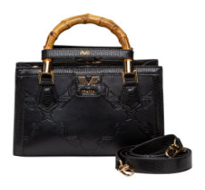 | V69WBAG53 | Lene | 901 | Black | OS | 104 | 179.99 € | 18,718.96 €
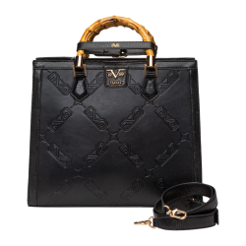 | V69WBAG53L | Lene Large | 901 | Black | OS | 99 | 189.99 € | 18,809.01 €
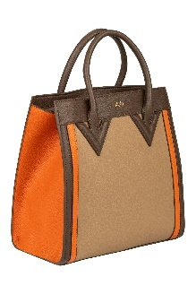 | V69WBAG54 | Lotte | 730M | taupe/orange | OS | 191 | 179.90 € | 34,360.90 €
 |  |  | 750M | Beige/Taupe |  | 167 | 179.99 € | 30,058.33 €
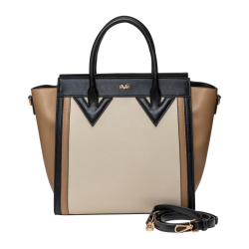 | V69WBAG54L | Lotte Large | 730M | taupe/orange | OS | 187 | 199.99 € | 37,398.13 €
 |  |  | 750M | Beige/Taupe |  | 152 | 199.99 € | 30,398.48 €
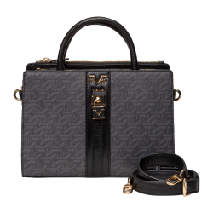 | V69WBAG59 | Lisana | 550 | Military Green | OS | 114 | 179.99 € | 20,518.86 €
 |  |  | 730 | Taupe |  | 99 | 179.99 € | 17,819.01 €
 |  |  | 901 | Black |  | 233 | 179.99 € | 41,937.67 €
 |  |  | 700 | Brown |  | 144 | 189.99 € | 27,358.56 €
 |  |  | 850 | Grey |  | 158 | 189.99 € | 30,018.42 €
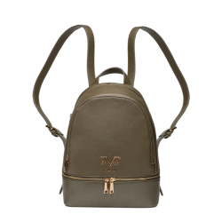 | V69WBAG60 | Robi | 550 | Military Green | OS | 121 | 189.99 € | 22,988.79 €
 |  |  | 730 | Taupe |  | 48 | 189.99 € | 9,119.52 €
 |  |  | 901 | Black |  | 121 | 189.99 € | 22,988.79 €
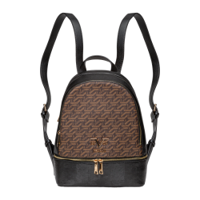 | V69WBAG60A | Robi AOP | 700 | Brown | OS | 63 | 199.99 € | 12,599.37 €
 |  |  | 850 | Grey |  | 69 | 199.99 € | 13,799.31 €
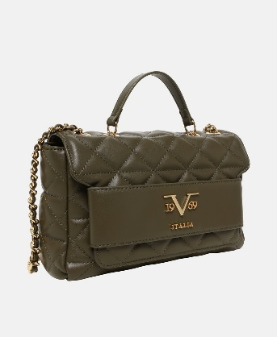 | V69WBAS170 | Gaia Gold | 550 | Military Green | OS | 46 | 169.99 € | 7,819.54 €
 |  |  | 650 | Navy |  | 44 | 169.99 € | 7,479.56 €
 |  |  | 850 | Grey |  | 13 | 169.99 € | 2,209.87 €
 |  |  | 901 | Black |  | 113 | 169.99 € | 19,208.87 €
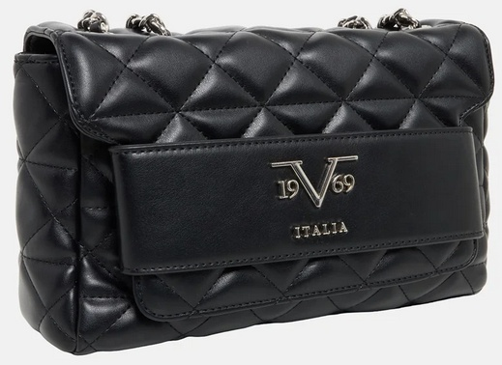 | V69WBAS171 | Gaia Silver | 550 | Military Green | OS | 39 | 169.99 € | 6,629.61 €
 |  |  | 650 | Navy |  | 29 | 169.99 € | 4,929.71 €
 |  |  | 850 | Grey |  | 29 | 169.99 € | 4,929.71 €
 |  |  | 901 | Black |  | 56 | 169.99 € | 9,519.44 €
 | V69WBAS172 | Vivi Gold | 550 | Military Green | OS | 51 | 119.99 € | 6,119.49 €
 |  |  | 650 | Navy |  | 50 | 119.99 € | 5,999.50 €
 |  |  | 850 | Grey |  | 40 | 119.99 € | 4,799.60 €
 |  |  | 901 | Black |  | 126 | 119.99 € | 15,118.74 €
 | V69WBAS172B | Vivi Gold 2 | 461 | cherry | OS | 97 | 119.90 € | 11,630.30 €
 | V69WBAS172B | Vivi Gold 2 | 901 | black | OS | 196 | 199.90 € | 39,180.40 €
 | V69WBAS173 | Vivi Sillver | 550 | Military Green | OS | 24 | 119.99 € | 2,879.76 €
 |  |  | 650 | Navy |  | 45 | 119.99 € | 5,399.55 €
 |  |  | 850 | Grey |  | 36 | 119.99 € | 4,319.64 €
 |  |  | 901 | Black |  | 128 | 119.99 € | 15,358.72 €
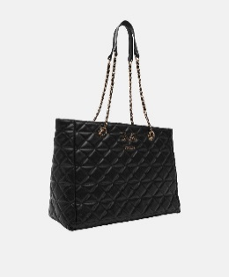 | V69WBAS174 | Silvia Gold | 550 | Military Green | OS | 54 | 189.99 € | 10,259.46 €
 |  |  | 650 | Navy |  | 54 | 189.99 € | 10,259.46 €
 |  |  | 850 | Grey |  | 54 | 189.99 € | 10,259.46 €
 |  |  | 901 | Black |  | 45 | 189.99 € | 8,549.55 €
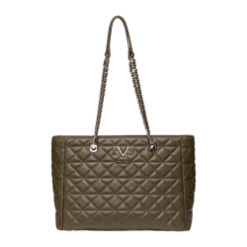 | V69WBAS175 | Silvia Silver | 550 | Military Green | OS | 12 | 189.99 € | 2,279.88 €
 |  |  | 650 | Navy |  | 34 | 189.99 € | 6,459.66 €
 |  |  | 850 | Grey |  | 7 | 189.99 € | 1,329.93 €
 |  |  | 901 | Black |  | 87 | 189.99 € | 16,529.13 €
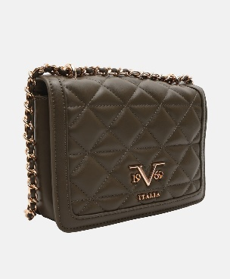 | V69WBAS185 | Gaby Gold | 550 | Military Green | OS | 27 | 169.99 € | 4,589.73 €
 |  |  | 650 | Navy |  | 53 | 169.99 € | 9,009.47 €
 |  |  | 850 | Grey |  | 40 | 169.99 € | 6,799.60 €
 |  |  | 901 | Black |  | 148 | 169.99 € | 25,158.52 €
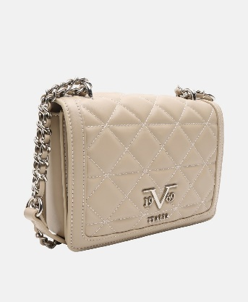 | V69WBAS186 | Gaby Silver | 550 | Military Green | OS | 49 | 169.99 € | 8,329.51 €
 |  |  | 850 | Navy |  | 49 | 169.99 € | 8,329.51 €
 |  |  | 850 | Grey |  | 35 | 169.99 € | 5,949.65 €
 |  |  | 901 | Black |  | 141 | 169.99 € | 23,968.59 €
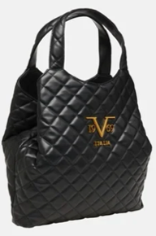 | V69WBAS78 | Nami Gold | 901 | Black | OS | 140 | 199.99 € | 27,998.60 €
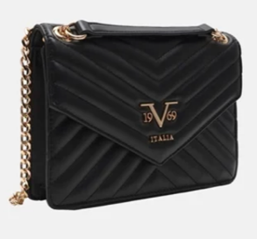 | V69WBAS80 | Blairi Gold | 461 | cherry | OS | 93 | 169.99 € | 15,809.07 €
 |  |  | 901 | Black |  | 7 | 169.99 € | 1,189.93 €
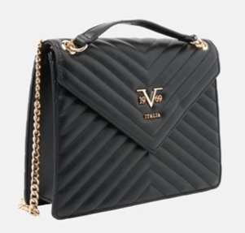 | V69WBAS83 | Bianca | 461 | cherry | OS | 92 | 179.99 € | 16,559.08 €
 |  |  | 901 | Black |  | 23 | 179.99 € | 4,139.77 €
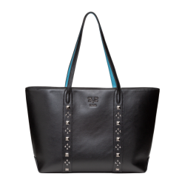 | W25WBAG10 | Avena | 901 | Black | OS | 164 | 189.99 € | 31,158.36 €
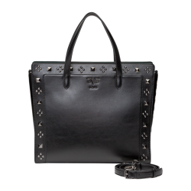 | W25WBAG11G | Azzura | 901 | Black | OS | 163 | 189.99 € | 30,968.37 €
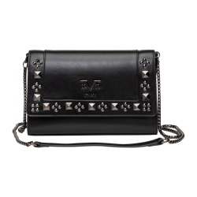 | W25WBAG13G | Cadenza | 901 | Black | OS | 163 | 179.99 € | 29,338.37 €
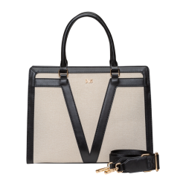 | W25WBAG14 | Ciana | 7509 | Beige/Black | OS | 192 | 189.99 € | 36,478.08 €
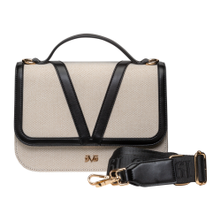 | W25WBAG16 | Dulce | 7509 | Beige/Black | OS | 167 | 169.99 € | 28,388.33 €
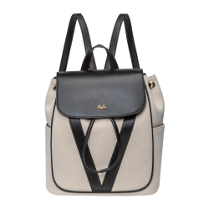 | W25BAG18 | Giadia | 7509 | Beige/Black | OS | 191 | 189.90 € | 36,270.90 €
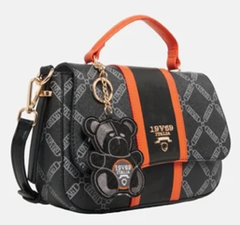 | W25WBAG19 | Giustina | 750 | Beige | OS | 113 | 159.99 € | 18,078.87 €
 |  |  | 901 | Black |  | 105 | 159.99 € | 16,798.95 €
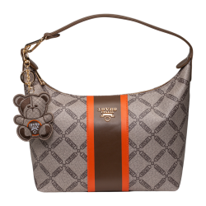 | W25WBAG21 | Marca | 750 | Beige | OS | 57 | 179.99 € | 10,259.43 €
 |  |  | 901 | Black |  | 39 | 179.99 € | 7,019.61 €
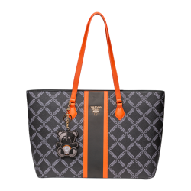 | W25WBAG23 | Rialta | 750 | Beige | OS | 36 | 189.99 € | 6,839.64 €
 |  |  | 901 | Black |  | 38 | 189.99 € | 7,219.62 €
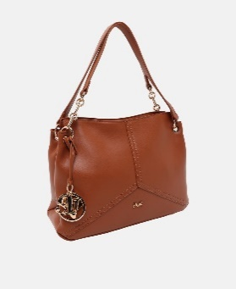 | W25WBAG25 | Aldina | 700 | Brown | OS | 41 | 169.99 € | 6,969.59 €
 |  |  | 740 | Cognac |  | 76 | 169.99 € | 12,919.24 €
 |  |  | 901 | Black |  | 82 | 169.99 € | 13,939.18 €
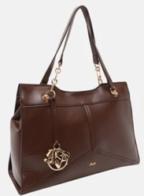 | W25WBAG27 | Armina | 700 | Brown | OS | 28 | 179.99 € | 5,039.72 €
 |  |  | 740 | Cognac |  | 66 | 179.99 € | 11,879.34 €
 |  |  | 901 | Black |  | 80 | 179.99 € | 14,399.20 €
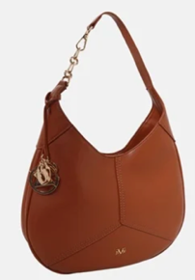 | W25WBAG28 | Basilissa | 700 | Brown | OS | 4 | 179.99 € | 719.96 €
 |  |  | 740 | Cognac |  | 31 | 179.99 € | 5,579.69 €
 |  |  | 901 | Black |  | 4 | 179.99 € | 719.96 €
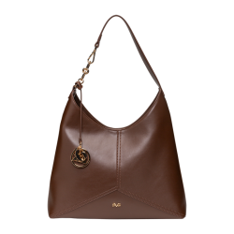 | W25WBAG29 | Campana | 700 | Brown | OS | 5 | 179.99 € | 899.95 €
 |  |  | 740 | Cognac |  | 30 | 179.99 € | 5,399.70 €
 |  |  | 901 | Black |  | 4 | 179.99 € | 719.96 €
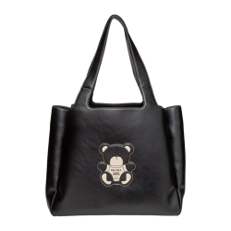 | W25WBAG36 | Ortensia | 901 | Black | OS | 155 | 199.99 € | 30,998.45 €
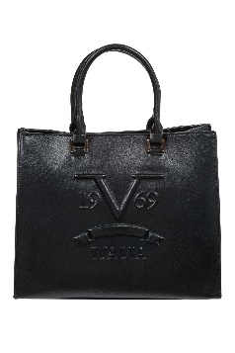 | S23BA1064 | Ramie | 901 | Black | OS | 50 | 189.99 € | 9,499.50 €
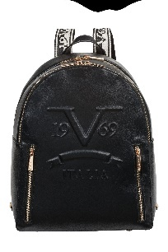 | S23BA1066 | Rasi | 901 | Black | OS | 50 | 199.99 € | 9,999.50 €
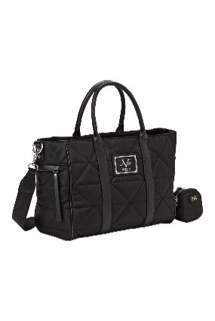 | S24BA1101 | Cathana | 901 | Black | OS | 47 | 189.99 € | 8,929.53 €
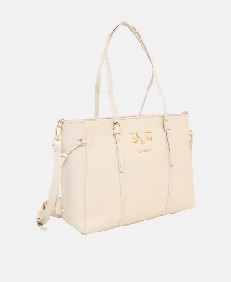 | S24BA1301 | Carissma | 750 | Beige | OS | 20 | 189.99 € | 3,799.80 €
 |  |  | 901 | Black |  | 40 | 189.99 € | 7,599.60 €
 | S24BA1303 | Carla | 750 | Beige | OS | 136 | 189.99 € | 25,838.64 €
 |  |  | 901 | Black |  | 194 | 189.99 € | 36,858.06 €
 | V69WBAS77 | Elenora Silver | 901 | Black | OS | 188 | 199.99 € | 37,598.12 €
 | VI22AI1226010 | Emma | 750 | Beige | OS | 18 | 189.99 € | 3,419.82 €
 |  |  | 901 | Black |  | 58 | 189.99 € | 11,019.42 €
 | VI22AI1226063 | Carmen | 750 | Beige | OS | 18 | 219.99 € | 3,959.82 €
 |  |  | 901 | Black |  | 49 | 219.99 € | 10,779.51 €
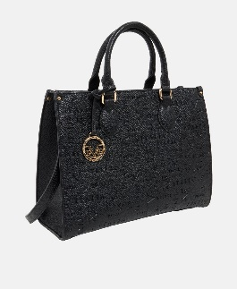 | VI22AI1226072 | Adora | 750 | Beige | OS | 49 | 249.99 € | 12,249.51 €
 |  |  | 901 | Black |  | 106 | 249.99 € | 26,498.94 €
 | VI22AI1226074 | Luz | 750 | Beige | OS | 60 | 229.99 € | 13,799.40 €
 |  |  | 901 | Black |  | 50 | 299.90 € | 14,995.00 €
 | W23BA0701 | Alba | 901 | Black | OS | 40 | 129.99 € | 5,199.60 €
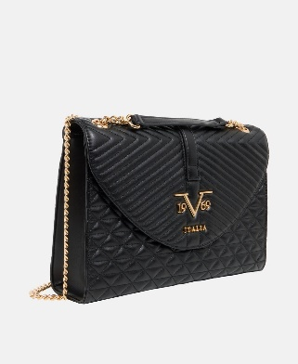 | W23BA0702 | Seraphina | 901 | Black | OS | 50 | 139.99 € | 6,999.50 €
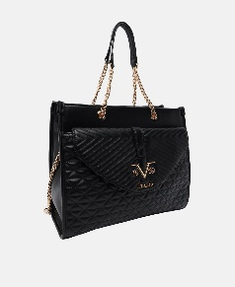 | W23BA0704 | Sienna | 901 | Black | OS | 20 | 159.99 € | 3,199.80 €
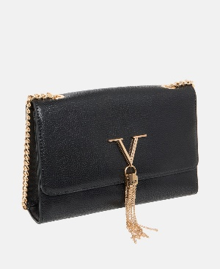 | W23BA1001 | Arianna | 850 | grey | OS | 18 | 189.99 € | 3,419.82 €
 |  |  | 901 | Black |  | 46 | 189.99 € | 8,739.54 €
 | W23BA1001S | Arianna | 850 | grey | OS | 100 | 189.99 € | 18,999.00 €
 |  |  | 901 | Black |  | 200 | 189.99 € | 37,998.00 €
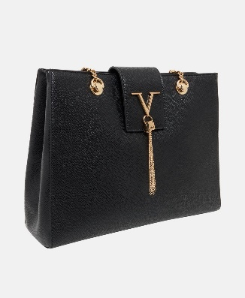 | W23BA1002 | Ludovica | 850 | grey | OS | 19 | 189.99 € | 3,609.81 €
 |  |  | 901 | Black |  | 59 | 189.99 € | 11,209.41 €
 | W24BAG032 | Vivi Quilt | 850 | grey | OS | 60 | 179.99 € | 10,799.40 €
 |  |  | 901 | Black |  | 116 | 179.99 € | 20,878.84 €
 | W24WBAG28 | Robinie | 100 | White | OS | 28 | 189.99 € | 5,319.72 €
 |  |  | 901 | Black |  | 46 | 189.99 € | 8,739.54 €
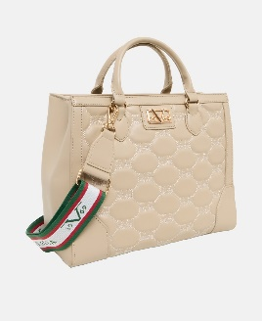 | W24WBAG32 | Ella | 850 | grey | OS | 40 | 179.99 € | 7,199.60 €
 |  |  | 901 | Black |  | 84 | 179.99 € | 15,119.16 €
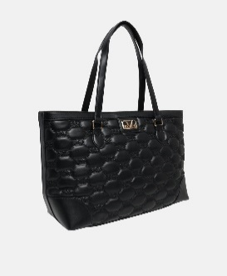 | W24WBAG33 | Desiree | 850 | grey | OS | 40 | 189.99 € | 7,599.60 €
 |  |  | 901 | Black |  | 59 | 189.99 € | 11,209.41 €
 | W23BA1204 | Nando | 650 | Navy | OS | 96 | 179.99 € | 17,279.04 €
 |  |  | 850 | Grey |  | 102 | 179.99 € | 18,358.98 €
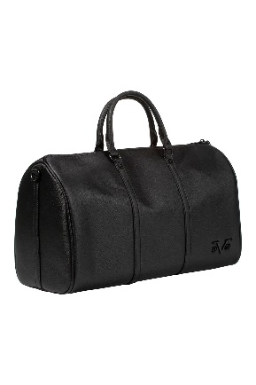 | V69MBAS77 | Barnario | 901 | Black | OS | 105 | 179.99 € | 18,898.95 €
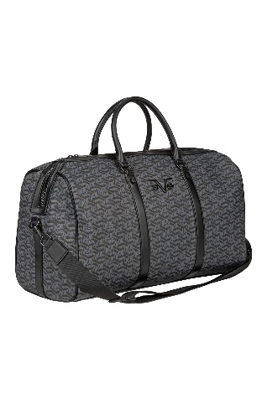 | V69MBAS79 | Acario | 851 | Fumo Grey | OS | 79 | 179.99 € | 14,219.21 €
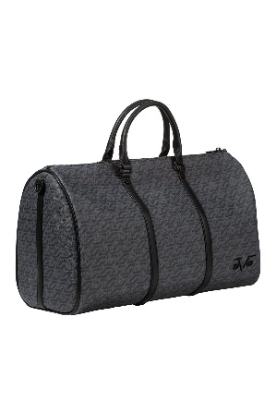 | V69MBAS78 | Barnario Aop | 851 | Fumo Grey | OS | 100 | 179.99 € | 17,999.00 €
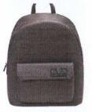 | V69MBAS75 | Babilo | 650 | Navy | OS | 90 | 159.99 € | 14,399.10 €
 |  |  | 850 | Grey |  | 88 | 159.99 € | 14,079.12 €
 |  |  | 901 | Black |  | 100 | 159.99 € | 15,999.00 €
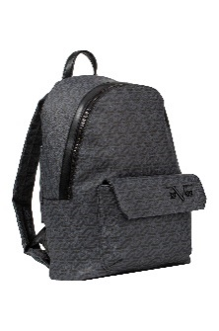 | V69MBAS76 | Babilo Aop | 851 | Fumo Grey | OS | 92 | 159.99 € | 14,719.08 €
 | V69MBAG45 | Benno | 901 | Black | OS | 34 | 79.99 € | 2,719.66 €
 | V69MBAG47 | Ben | 901 | Black | OS | 60 | 179.99 € | 10,799.40 €
 | V69MBAG48 | Bart | 901 | Black | OS | 44 | 189.99 € | 8,359.56 €
 | V69MBAG49 | Bardo | 901 | Black | OS | 40 | 189.99 € | 7,599.60 €
TOTAL VERSACE 19V69 BAGS |  |  |  |  |  | 10,200 | 180.56 € | 1,841,672.75 €

